PRE BOY-YB
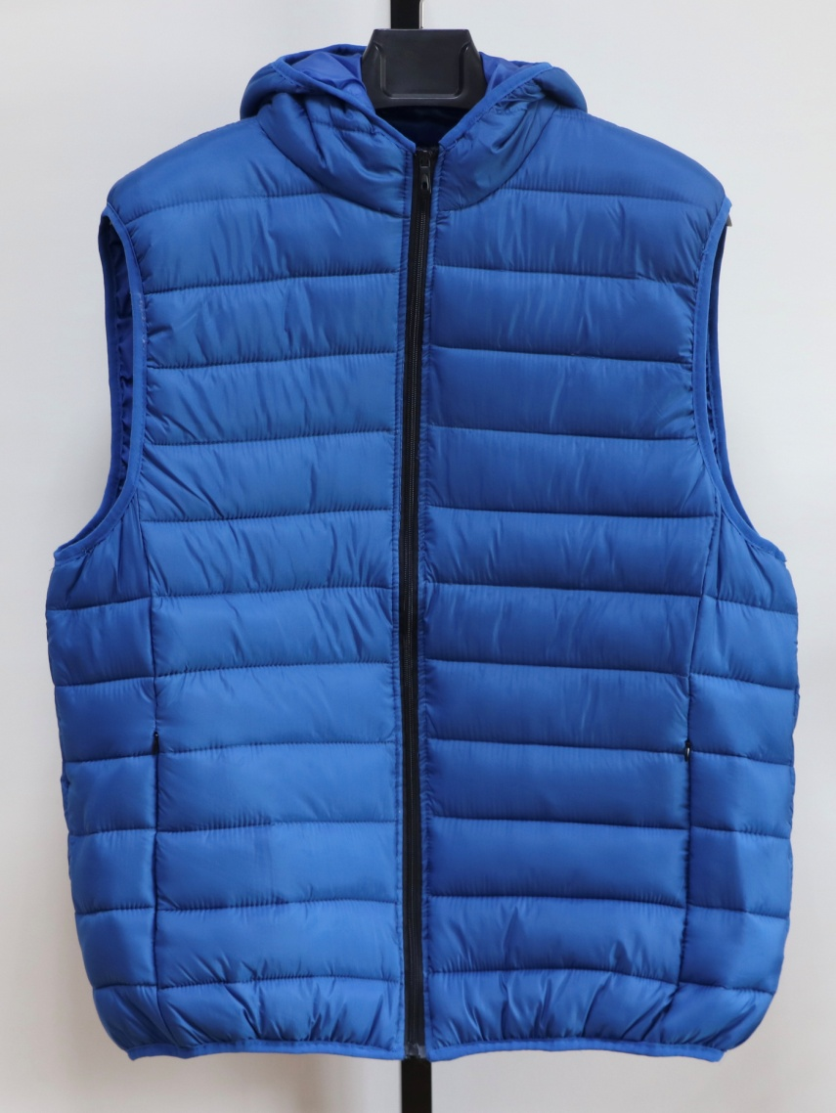
JACKET IN- STOCK
Description | MEN IMITATED DOWN PADDED GILET
Style NO. | 0143B
Shell Fabric | 100%NYLON 20D
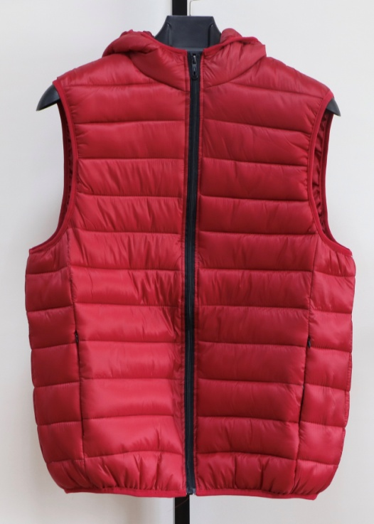
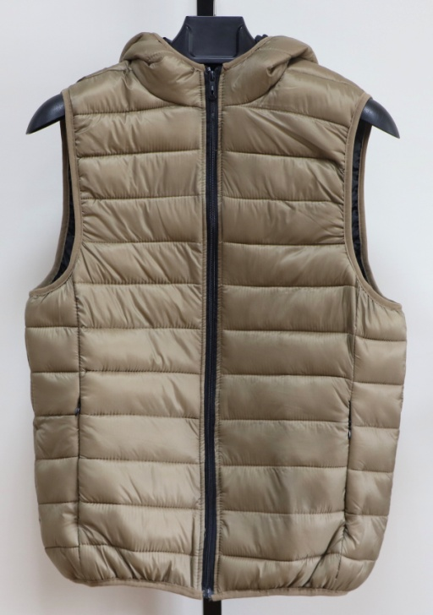
Lining | 100% Polyester 210T
Filler | IMITATED DOWN Polyfill, |  |  |  | 300 | G/PC
 | Quantity List
COLOR / SIZE | S | M | L | XL | XXL | PCS/Color
LT GREY | 521 | 521 | 521 | 521 | 521 | 2605
DENIM BLUE | 348 | 348 | 348 | 348 | 348 | 1740
KHAKI | 84 | 84 | 84 | 84 | 84 | 420
ROYAL BLUE | 84 | 84 | 84 | 84 | 84 | 420
WINE RED | 74 | 74 | 74 | 74 | 74 | 370
SKY BLUE | 580 | 580 | 580 | 580 | 580 | 2900
BLACK | 355 | 355 | 355 | 355 | 355 | 1775
Total Quantity : 10230 PCS
UNIT PRICE : US$ 8.70 FOB(XIAMEN)
We will charge 0.25$ more if you want to change labels&tags.
Packing List | Ratio(Solid Color/Full sizes) |  |  |  |  | PCS
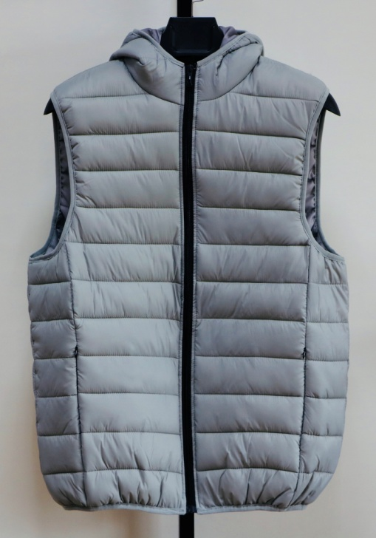
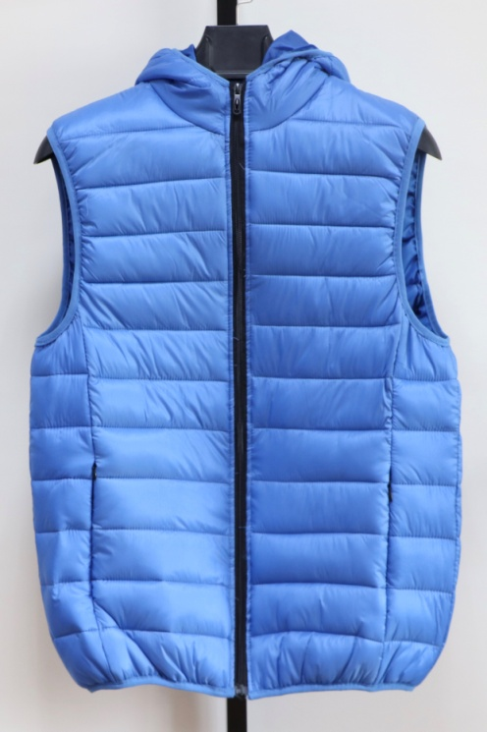
COLOR / SIZE | S | M | L | XL | XXL | per CTN
SOLID COLOR | 6 | 6 | 6 | 6 | 6 | 30

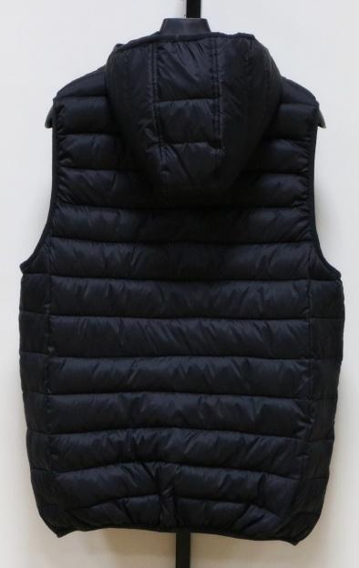
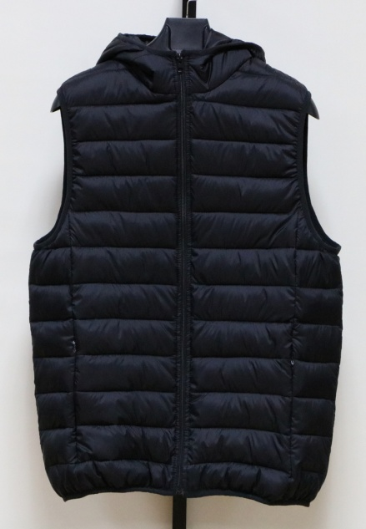
LT GREY | 87 | CTNS | 9.99 | CBM |  | TOTAL
DENIM BLUE | 58 | CTNS | 6.67 | CBM |  | 39.24
KHAKI | 14 | CTNS | 1.61 | CBM
ROYAL BLUE | 14 | CTNS | 1.61 | CBM |  | CBM
WINE RED | 12 | CTNS | 1.42 | CBM
SKY BLUE | 97 | CTNS | 11.12 | CBM
BLACK | 59 | CTNS | 6.81 | CBM
TOTAL : | 341 | CTNS
G/W:15.0KGS | Total G.W: |  | 5115.0KGS
N/W:14.0KGS | MEAS: | 58 X | 32 X | 62 CM

SIZE SPEC | S | M | L | XL | XXL
1/2 Chest | 55 | 57.5 | 60 | 62.5 | 65 | cm
B.C.Length | 68 | 69 | 70 | 72 | 74 | cm
 |  |  |  |  |  | cm

